Instructions (START HERE)
Instructions For Creation of a Paint Matrix |  |  |  |  | Note: In many cases this tool will not be able to provide the exact paint system data needed for specific customer requirements. In these cases data will have to be put in manually.
Steps:
1. | Review customer paint specifications against Sundyne's paint systems (reference "Paint Systems" tab).
 | Determine whether there will be any deviations from Sundyne's standard procedures.
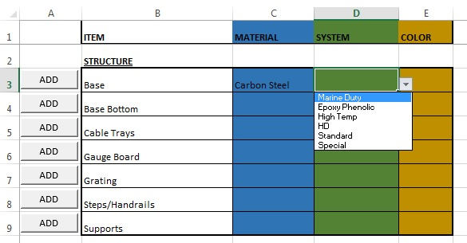
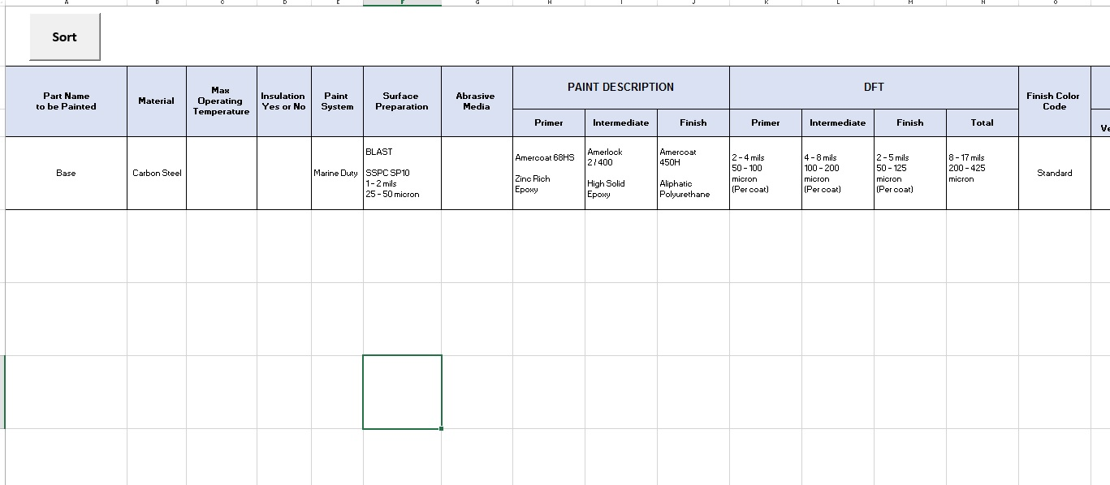

 |  |  |  | →

2. | In "Add Rows" tab, select basic paint properties for an item to be painted. Click the ADD button.
 | The tool automatically adds a new row to the bottom of the matrix.
 | Standard surface preparation, paint products, and dry film thickness(DFT) data is automatically loaded.

3. | Fill out the rest of the row in the "Paint Matrix" tab. Non-standard options should be descibed in the Remarks column.
 | Hide columns that are not needed for the job. DO NOT DELETE THEM.

4. | Click the "Sort" button on the "Paint Matrix" tab. This will arrange the rows and merge cells that share identical properties.
 | The VBA code may not work perfectly for all situations. In these cases sorting will have to be done manually.
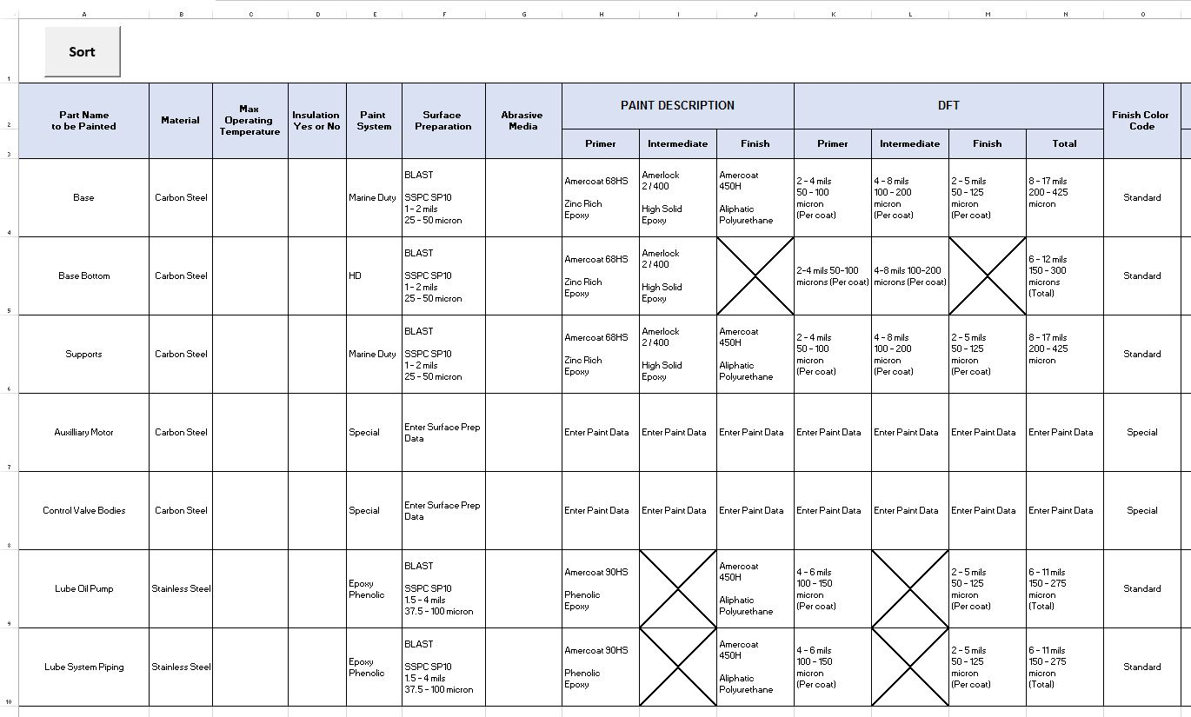 |  | → | 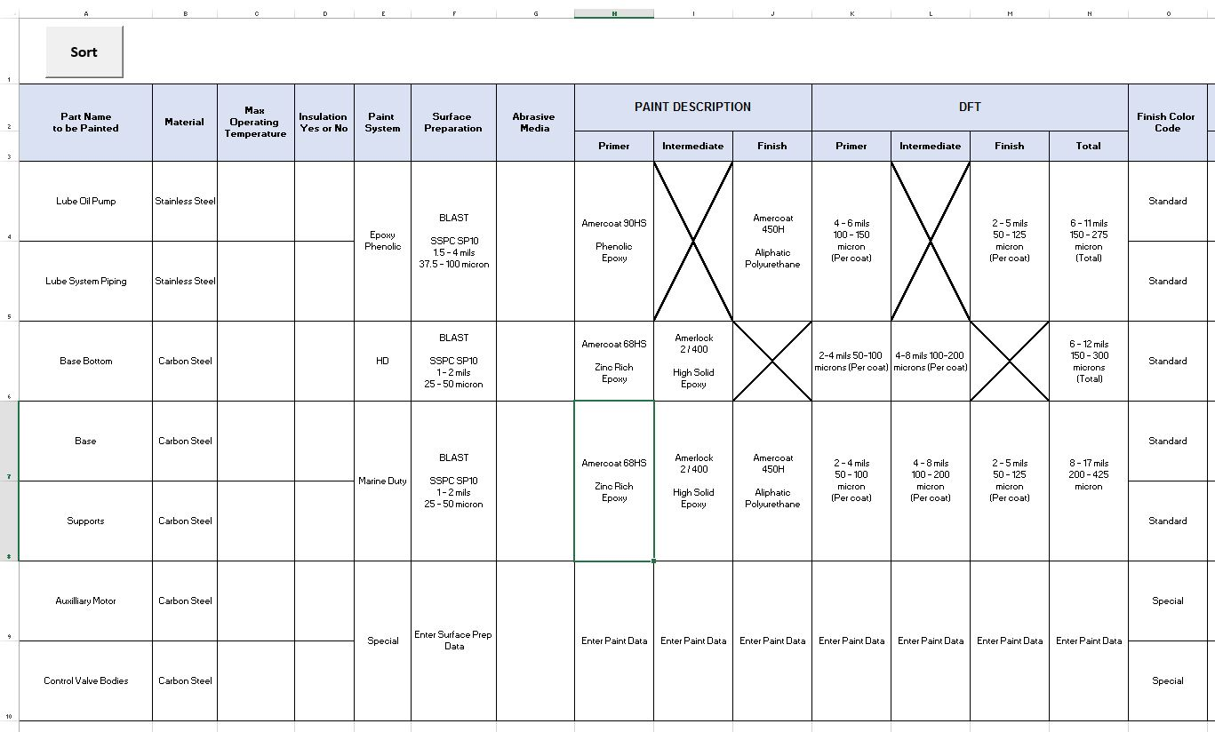
5. | Add additional rows, make edits, and resort as needed.
 | Rows and data in the paint matrix can be moved, edited, and deleted freely without worrying about breaking formulas. The "Sort" button feature should continue to work after edits are made.
 | Use information in Paint Systems, PN's, and Item Numbers tabs as reference.

